Publishing notes


Auckland Council, Research and Evaluation Unit, November 2023

Additional modelling outputs of the Housing and business development capacity assessment for the Auckland region 2023 – Housing
Summary of resources, downloadable files, published on Knowledge Auckland, www.knowledgeauckland.org.nz

Page, figure and table references are to the Auckland Council publication Housing and business development capacity assessment for the Auckland region 2023 – the HBA document.

Inquiries to: RIMU@aucklandcouncil.govt.nz

5. Outputs from Housing and Housing HBA Models October 2023 v2 unlinked.xlsx
· Format: MS Excel
· Granularity: regional level
· Content:
§ Projected housing demand by household types, dwelling typologies, and income bands
§ Housing demand-supply balance, surplus and shortfall
§ Plan-enabled and feasible capacity by local board area
§ Projected dwelling price bands
· Data used in:
§ Executive summary tables
§ Tables 3-8, 31
§ Figure 68

See also
Additional modelling outputs of the Housing and business development capacity assessment for the Auckland region 2023 – Housing
www.knowledgeauckland.org.nz

© 2023 Auckland Council, New Zealand
Auckland Council disclaims any liability whatsoever in connection with any action taken in reliance of this document for any error, deficiency, flaw or omission contained in it.

Information Request
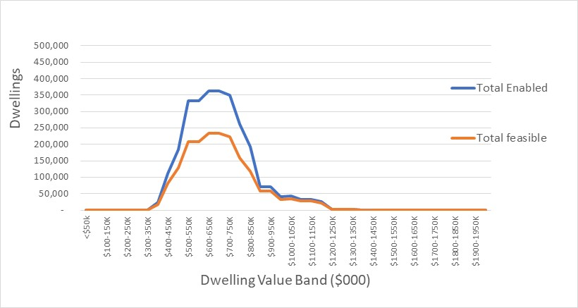
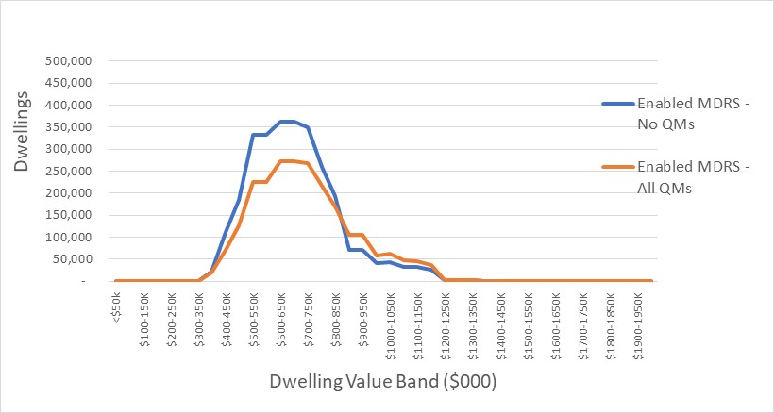
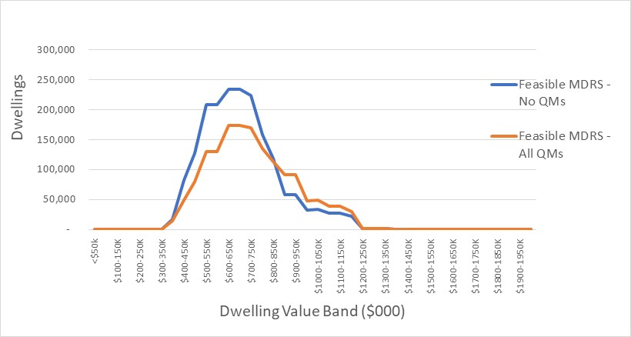
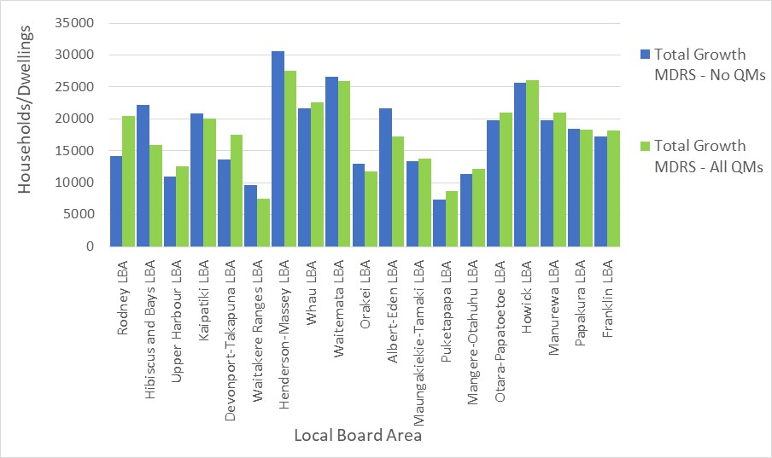
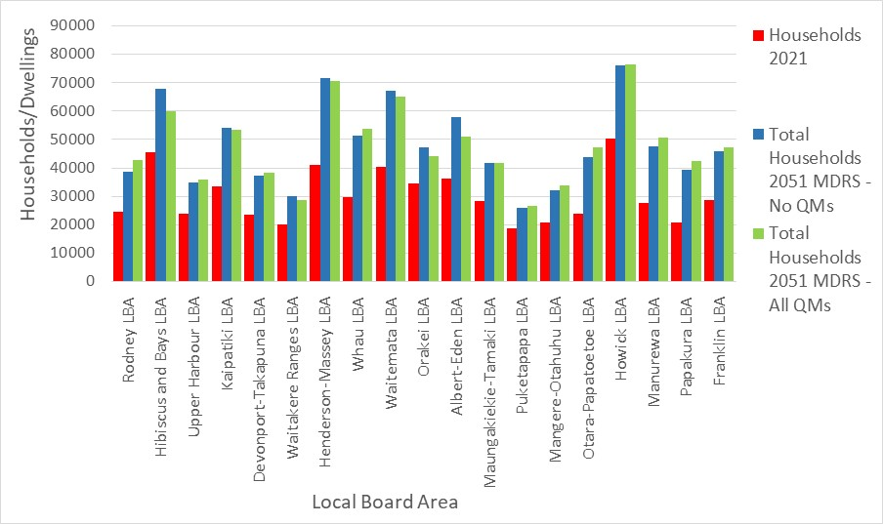
Information Requested
Plan-enabled, feasible and RER housing by price/value band and LBA.
Dwelling demand by price point and housing type by LBA for 2022, 2025, 2032 and 2052
Any surplus or shortfall in net dwelling supply by value band
Plan-enabled, feasible and RER housing by price/value band and LBA. | The ME Auckland Housing Capacity Model was applied for the PC78 s32 Report. it identified plan-enabled capacity (N of dwellings) and estimated feasible dwellings. This is done on a site by site basis. Outputs were developed by location including at LBA. This was reported in summary form in the s32 Report, incl Fig 5-1, 5-2, 5-3, 5-4 and Table 4-8. Summary outputs of plan enabled and feasible capacity by value band and LBA are attached in <Plan-enabled feasible x LBA> tab. This model provides estimates of feasibility according to plan-enabled capacity by typology, estimated development cost, estimated land value uplift, and estimated market value according to Corelogic actual sales records for each typology, size and value over the 2018-21 period.

Dwelling demand by price point and housing type by LBA for 2022, 2025, 2032 and 2052 | Estimates of dwelling demand by value band are drawn from the ME Auckland Housing Affordability Model. Detail on demand by dwelling type and household type, and dwelling type and household income, are shown in the <Housing Demand detail> tab. This draws on detailed customised datasets from StatsNZ on dwelling demand by demography, together with detail on projected household numbers in each cohort, and household income trends. Note that dwelling demand is based on the whole Auckland resident population, and is in relation to the total dwelling estate, including existing dwellings, as the appropriate basis for assessment. This includes owning and non-owning households.

Any surplus or shortfall in net dwelling supply by value band | The ME Housing Affordability Model includes detailed assessment of owner and non-owner households. It identifies non-owner households by type and income band, to identify the numbers of dwellings which would be potentially affordable to non-owners as first home buyers. it compres potential demand from each segment (income band) against the numbers of dwellings in each value band, to estimate the difference. Broad terms, it estimates the numbers of dwellings which would be required in each value band if all of the non-owner households would be able to afford a dwelling for purchase, as an independent household. This indicates the maximum position. The estimates are are shown in the <Housing Demand Supply Balance> tab.

 |  | Figure 5-2 p91

Plan-enabled Feasible x LBA
OUTPUTS FROM AUCKLAND HOUSING CAPACITY MODEL FOR S32 - Version October 2023

 |  | PLAN-ENABLED CAPACITY BY VALUE BAND, ALL DWELLING TYPES by LBA
 |  | 1 | 2 | 3 | 4 | 5 | 6 | 7 | 8 | 9 | 10 | 11 | 12 | 13 | 14 | 15 | 16 | 17 | 18 | 19 |  | PLAN-ENABLED AND FEASIBLE CAPACITY BY VALUE BAND, ALL DWELLING TYPES by LBA
 |  | RODN | HIBA | UPHA | KAIP | DEVT | WAIR | HEMA | WHAU | WAIT | ORAK | ALED | MATA | PUKE | MAOT | OTPA | HOWK | MANU | PAPK | FRAN |  | 0 | RODN | HIBA | UPHA | KAIP | DEVT | WAIR | HEMA | WHAU | WAIT | ORAK | ALED | MATA | PUKE | MAOT | OTPA | HOWK | MANU | PAPK | FRAN
 |  | Rodney LBA | Hibiscus and Bays LBA | Upper Harbour LBA | Kaipatiki LBA | Devonport-Takapuna LBA | Waitakere Ranges LBA | Henderson-Massey LBA | Whau LBA | Waitemata LBA | Orakei LBA | Albert-Eden LBA | Maungakiekie-Tamaki LBA | Puketapapa LBA | Mangere-Otahuhu LBA | Otara-Papatoetoe LBA | Howick LBA | Manurewa LBA | Papakura LBA | Franklin LBA |  | 0 | Rodney LBA | Hibiscus and Bays LBA | Upper Harbour LBA | Kaipatiki LBA | Devonport-Takapuna LBA | Waitakere Ranges LBA | Henderson-Massey LBA | Whau LBA | Waitemata LBA | Orakei LBA | Albert-Eden LBA | Maungakiekie-Tamaki LBA | Puketapapa LBA | Mangere-Otahuhu LBA | Otara-Papatoetoe LBA | Howick LBA | Manurewa LBA | Papakura LBA | Franklin LBA

Auckland Feasible Dwelling Capacity by Value Band
 | Rodney LBA | Hibiscus and Bays LBA | Upper Harbour LBA | Kaipatiki LBA | Devonport-Takapuna LBA | Waitakere Ranges LBA | Henderson-Massey LBA | Whau LBA | Waitemata LBA | Orakei LBA | Albert-Eden LBA | Maungakiekie-Tamaki LBA
 | 0 | 0 | 0 | 0 | 0 | 0 | 0 | 0 | 0 | 0 | 0 | 0
 | 0 | 0 | 0 | 0 | 0 | 0 | 0 | 0 | 0 | 0 | 0 | 0
 | 0 | 0 | 0 | 0 | 0 | 0 | 0 | 0 | 0 | 0 | 0 | 0
 | 0 | 0 | 0 | 0 | 0 | 0 | 0 | 0 | 0 | 0 | 0 | 0
 | 0 | 0 | 0 | 0 | 0 | 0 | 0 | 0 | 0 | 0 | 0 | 0
 | 0 | 0 | 0 | 0 | 0 | 0 | 0 | 0 | 0 | 0 | 0 | 0
 | 0 | 0 | 0 | 0 | 0 | 0 | 0 | 0 | 0 | 0 | 0 | 0
 | 0 | 0 | 0 | 0 | 0 | 0 | 0 | 0 | 0 | 0 | 0 | 0
 | 0.02631862798 | 0 | 0 | 0 | 0 | 0 | 0 | 0 | 0 | 0 | 0 | 0
 | 0.080142379463 | 0.028677277717 | 0.032635253054 | 0 | 0 | 0.00099975006248 | 0.063670668954 | 0 | 0 | 0 | 0 | 0
 | 0.22241397907 | 0.028677277717 | 0.032635253054 | 0 | 0 | 0.13346663334 | 0.11046312178 | 0.02264986376 | 0 | 0 | 0 | 0
 | 0.22273756876 | 0.21679473106 | 0.1780104712 | 0.1995256167 | 0.1391862955 | 0.13421644589 | 0.1114922813 | 0.1151226158 | 0.063368055556 | 0.16554752066 | 0.066438356164 | 0.093733883445
 | 0.19631107755 | 0.21679473106 | 0.1780104712 | 0.1995256167 | 0.1391862955 | 0.13421644589 | 0.1114922813 | 0.1151226158 | 0.063368055556 | 0.16554752066 | 0.066438356164 | 0.093733883445
 | 0.16988458634 | 0.20897365532 | 0.15392670157 | 0.2 | 0.13954318344 | 0.24893776556 | 0.18627787307 | 0.11895435967 | 0.063368055556 | 0.16554752066 | 0.066438356164 | 0.093733883445
 | 0.027612986733 | 0.20897365532 | 0.15392670157 | 0.2 | 0.13954318344 | 0.1167208198 | 0.13955403087 | 0.096389645777 | 0.063368055556 | 0.16554752066 | 0.066438356164 | 0.093733883445
 | 0.027289397045 | 0.020856201976 | 0.0083769633508 | 0.00047438330171 | 0.00035688793719 | 0.11572106973 | 0.13852487136 | 0.0046832425068 | 0 | 0.0015495867769 | 0.00068493150685 | 0.0010314595152
 | 0.027289397045 | 0.020856201976 | 0.0083769633508 | 0.00047438330171 | 0.00035688793719 | 0.11572106973 | 0.13852487136 | 0.0046832425068 | 0.00086805555556 | 0.0015495867769 | 0.00068493150685 | 0.0010314595152
 | 0 | 0.012349066959 | 0.06352530541 | 0.05 | 0.11045681656 | 0 | 0 | 0.0008514986376 | 0.00086805555556 | 0.0015495867769 | 0.00068493150685 | 0.0010314595152
 | 0 | 0.012349066959 | 0.06352530541 | 0.05 | 0.11045681656 | 0 | 0 | 0.13096049046 | 0.019965277778 | 0.084452479339 | 0.17414383562 | 0.15626611655
 | 0 | 0.012349066959 | 0.06352530541 | 0.05 | 0.11045681656 | 0 | 0 | 0.13019414169 | 0.019965277778 | 0.082902892562 | 0.17345890411 | 0.15523465704
 | 0 | 0.012349066959 | 0.06352530541 | 0.05 | 0.11045681656 | 0 | 0 | 0.13019414169 | 0.029513888889 | 0.082902892562 | 0.17345890411 | 0.15523465704
 | 0 | 0 | 0 | 0 | 0 | 0 | 0 | 0.13019414169 | 0.18576388889 | 0.082902892562 | 0.18287671233 | 0.15523465704
 | 0 | 0 | 0 | 0 | 0 | 0 | 0 | 0 | 0.16666666667 | 0 | 0.0094178082192 | 0
 | 0 | 0 | 0 | 0 | 0 | 0 | 0 | 0 | 0.16666666667 | 0 | 0.0094178082192 | 0
 | 0 | 0 | 0 | 0 | 0 | 0 | 0 | 0 | 0.15625 | 0 | 0.0094178082192 | 0
 | 0 | 0 | 0 | 0 | 0 | 0 | 0 | 0 | 0 | 0 | 0 | 0
 | 0 | 0 | 0 | 0 | 0 | 0 | 0 | 0 | 0 | 0 | 0 | 0
 | 0 | 0 | 0 | 0 | 0 | 0 | 0 | 0 | 0 | 0 | 0 | 0
 | 0 | 0 | 0 | 0 | 0 | 0 | 0 | 0 | 0 | 0 | 0 | 0
 | 0 | 0 | 0 | 0 | 0 | 0 | 0 | 0 | 0 | 0 | 0 | 0
 | 0 | 0 | 0 | 0 | 0 | 0 | 0 | 0 | 0 | 0 | 0 | 0
 | 0 | 0 | 0 | 0 | 0 | 0 | 0 | 0 | 0 | 0 | 0 | 0
 | 0 | 0 | 0 | 0 | 0 | 0 | 0 | 0 | 0 | 0 | 0 | 0
 | -1 | RODN | HIBA | UPHA | KAIP | DEVT | WAIR | HEMA | WHAU | WAIT | ORAK | ALED | MATA | PUKE | MAOT | OTPA | HOWK | MANU | PAPK | FRAN |  | 0 | RODN | HIBA | UPHA | KAIP | DEVT | WAIR | HEMA | WHAU | WAIT | ORAK | ALED | MATA | PUKE | MAOT | OTPA | HOWK | MANU | PAPK | FRAN
 | Dwelling Value Band | Rodney LBA | Hibiscus and Bays LBA | Upper Harbour LBA | Kaipatiki LBA | Devonport-Takapuna LBA | Waitakere Ranges LBA | Henderson-Massey LBA | Whau LBA | Waitemata LBA | Orakei LBA | Albert-Eden LBA | Maungakiekie-Tamaki LBA | Puketapapa LBA | Mangere-Otahuhu LBA | Otara-Papatoetoe LBA | Howick LBA | Manurewa LBA | Papakura LBA | Franklin LBA | Auckland |  | Rodney LBA | Hibiscus and Bays LBA | Upper Harbour LBA | Kaipatiki LBA | Devonport-Takapuna LBA | Waitakere Ranges LBA | Henderson-Massey LBA | Whau LBA | Waitemata LBA | Orakei LBA | Albert-Eden LBA | Maungakiekie-Tamaki LBA | Puketapapa LBA | Mangere-Otahuhu LBA | Otara-Papatoetoe LBA | Howick LBA | Manurewa LBA | Papakura LBA | Franklin LBA | Auckland
 | $0-50 | 0 | 0 | 0 | 0 | 0 | 0 | 0 | 0 | 0 | 0 | 0 | 0 | 0 | 0 | 0 | 0 | 0 | 0 | 0 | 0 | $0-50 | 0 | 0 | 0 | 0 | 0 | 0 | 0 | 0 | 0 | 0 | 0 | 0 | 0 | 0 | 0 | 0 | 0 | 0 | 0 | 0
 | $50-100 | 0 | 0 | 0 | 0 | 0 | 0 | 0 | 0 | 0 | 0 | 0 | 0 | 0 | 0 | 0 | 0 | 0 | 0 | 0 | 0 | $50-100 | 0 | 0 | 0 | 0 | 0 | 0 | 0 | 0 | 0 | 0 | 0 | 0 | 0 | 0 | 0 | 0 | 0 | 0 | 0 | 0
 | $100-150 | 0 | 0 | 0 | 0 | 0 | 0 | 0 | 0 | 0 | 0 | 0 | 0 | 0 | 0 | 0 | 0 | 0 | 0 | 0 | 0 | $100-150 | 0 | 0 | 0 | 0 | 0 | 0 | 0 | 0 | 0 | 0 | 0 | 0 | 0 | 0 | 0 | 0 | 0 | 0 | 0 | 0
 | $150-200 | 0 | 0 | 0 | 0 | 0 | 0 | 0 | 0 | 0 | 0 | 0 | 0 | 0 | 0 | 0 | 0 | 0 | 0 | 0 | 0 | $150-200 | 0 | 0 | 0 | 0 | 0 | 0 | 0 | 0 | 0 | 0 | 0 | 0 | 0 | 0 | 0 | 0 | 0 | 0 | 0 | 0
 | $200-250 | 0 | 0 | 0 | 0 | 0 | 0 | 0 | 0 | 0 | 0 | 0 | 0 | 0 | 0 | 0 | 0 | 0 | 0 | 0 | 0 | $200-250 | 0 | 0 | 0 | 0 | 0 | 0 | 0 | 0 | 0 | 0 | 0 | 0 | 0 | 0 | 0 | 0 | 0 | 0 | 0 | 0
 | $250-300 | 0 | 0 | 0 | 0 | 0 | 0 | 0 | 0 | 0 | 0 | 0 | 0 | 0 | 0 | 0 | 0 | 0 | 0 | 0 | 0 | $250-300 | 0 | 0 | 0 | 0 | 0 | 0 | 0 | 0 | 0 | 0 | 0 | 0 | 0 | 0 | 0 | 0 | 0 | 0 | 0 | 0
 | $300-350 | 0 | 0 | 0 | 0 | 0 | 0 | 0 | 0 | 0 | 0 | 0 | 0 | 0 | 0 | 0 | 0 | 0 | 0 | 0 | 0 | $300-350 | 0 | 0 | 0 | 0 | 0 | 0 | 0 | 0 | 0 | 0 | 0 | 0 | 0 | 0 | 0 | 0 | 0 | 0 | 0 | 0
 | $350-400 | 0 | 0 | 0 | 0 | 0 | 0 | 0 | 0 | 0 | 0 | 0 | 0 | 0 | 0 | 0 | 0 | 0 | 0 | 0 | 0 | $350-400 | 0 | 0 | 0 | 0 | 0 | 0 | 0 | 0 | 0 | 0 | 0 | 0 | 0 | 0 | 0 | 0 | 0 | 0 | 0 | 0
 | $400-450 | 2580 | 0 | 0 | 0 | 0 | 0 | 0 | 0 | 0 | 0 | 0 | 0 | 0 | 0 | 0 | 0 | 0 | 7820 | 24500 | 34900 | $400-450 | 2440 | 0 | 0 | 0 | 0 | 0 | 0 | 0 | 0 | 0 | 0 | 0 | 0 | 0 | 0 | 0 | 0 | 3330 | 19230 | 25000
 | $450-500 | 10070 | 3420 | 5150 | 0 | 0 | 100 | 14310 | 0 | 0 | 0 | 0 | 0 | 0 | 13790 | 9890 | 0 | 24790 | 16900 | 26010 | 124430 | $450-500 | 7430 | 2090 | 1870 | 0 | 0 | 40 | 9280 | 0 | 0 | 0 | 0 | 0 | 0 | 8900 | 7660 | 0 | 18850 | 10440 | 19930 | 86490
 | $500-550 | 25790 | 3420 | 5150 | 0 | 0 | 6730 | 27730 | 3550 | 0 | 0 | 0 | 0 | 0 | 14570 | 18380 | 39490 | 25630 | 18000 | 30180 | 218620 | $500-550 | 20620 | 2090 | 1870 | 0 | 0 | 5340 | 16100 | 2660 | 0 | 0 | 0 | 0 | 0 | 8980 | 15460 | 16640 | 18950 | 10550 | 23440 | 142700
 | $550-600 | 26210 | 23780 | 20370 | 26330 | 15010 | 6970 | 29160 | 21150 | 4310 | 27060 | 14720 | 14640 | 15140 | 17110 | 18380 | 39490 | 25630 | 18000 | 30180 | 393640 | $550-600 | 20650 | 15800 | 10200 | 21030 | 7800 | 5370 | 16250 | 13520 | 730 | 6410 | 3880 | 7270 | 8120 | 11270 | 15460 | 16640 | 18950 | 10550 | 23440 | 233340
 | $600-650 | 23630 | 23780 | 20370 | 26330 | 15010 | 6970 | 29160 | 21150 | 4310 | 27060 | 14720 | 14640 | 15140 | 17110 | 18380 | 39490 | 25630 | 10180 | 5670 | 358730 | $600-650 | 18200 | 15800 | 10200 | 21030 | 7800 | 5370 | 16250 | 13520 | 730 | 6410 | 3880 | 7270 | 8120 | 11270 | 15460 | 16640 | 18950 | 7230 | 4210 | 208340
 | $650-700 | 18810 | 22810 | 16550 | 27050 | 15740 | 12000 | 39590 | 21840 | 4310 | 27060 | 14720 | 14640 | 15140 | 8470 | 20110 | 39490 | 10810 | 16750 | 8060 | 353950 | $650-700 | 15750 | 15230 | 8820 | 21080 | 7820 | 9960 | 27150 | 13970 | 730 | 6410 | 3880 | 7270 | 8120 | 7320 | 19050 | 16640 | 9840 | 15040 | 7300 | 221380
 | $700-750 | 3090 | 22810 | 16550 | 27050 | 15740 | 5370 | 26160 | 18290 | 4310 | 27060 | 14720 | 14640 | 15140 | 7690 | 11620 | 0 | 9970 | 15650 | 3900 | 259760 | $700-750 | 2560 | 15230 | 8820 | 21080 | 7820 | 4670 | 20340 | 11320 | 730 | 6410 | 3880 | 7270 | 8120 | 7240 | 11250 | 0 | 9740 | 14930 | 3790 | 165200
 | $750-800 | 2660 | 2460 | 1340 | 720 | 730 | 5130 | 24730 | 1360 | 90 | 1580 | 1070 | 1070 | 1010 | 5260 | 14240 | 15880 | 9970 | 15650 | 4260 | 109210 | $750-800 | 2530 | 1520 | 480 | 50 | 20 | 4630 | 20190 | 550 | 0 | 60 | 40 | 80 | 40 | 4980 | 13850 | 14920 | 9740 | 14930 | 4140 | 92750
 | $800-850 | 2660 | 2460 | 1340 | 720 | 730 | 5130 | 24730 | 1360 | 570 | 1580 | 1100 | 1070 | 1010 | 5260 | 14240 | 15880 | 9970 | 15650 | 4260 | 109720 | $800-850 | 2530 | 1520 | 480 | 50 | 20 | 4630 | 20190 | 550 | 10 | 60 | 40 | 80 | 40 | 4980 | 13850 | 14920 | 9740 | 14930 | 4140 | 92760
 | $850-900 | 10 | 1010 | 4110 | 5470 | 7090 | 0 | 0 | 670 | 570 | 1580 | 1100 | 1070 | 1010 | 110 | 2630 | 15880 | 0 | 0 | 390 | 42700 | $850-900 | 0 | 900 | 3640 | 5270 | 6190 | 0 | 0 | 100 | 10 | 60 | 40 | 80 | 40 | 30 | 2600 | 14920 | 0 | 0 | 360 | 34240
 | $900-950 | 10 | 1010 | 4110 | 5470 | 7090 | 0 | 0 | 16950 | 990 | 7150 | 15500 | 15040 | 5740 | 2910 | 2630 | 15880 | 0 | 0 | 390 | 100870 | $900-950 | 0 | 900 | 3640 | 5270 | 6190 | 0 | 0 | 15380 | 230 | 3270 | 10170 | 12120 | 3640 | 2720 | 2600 | 14920 | 0 | 0 | 360 | 81410
 | $950-1000 | 10 | 1010 | 4110 | 5470 | 7090 | 0 | 0 | 16280 | 900 | 5570 | 14430 | 13970 | 4720 | 2790 | 0 | 0 | 0 | 0 | 30 | 76380 | $950-1000 | 0 | 900 | 3640 | 5270 | 6190 | 0 | 0 | 15290 | 230 | 3210 | 10130 | 12040 | 3600 | 2690 | 0 | 0 | 0 | 0 | 10 | 63200
 | $1000-1050 | 10 | 1010 | 4110 | 5470 | 7090 | 0 | 0 | 16280 | 650 | 5570 | 14400 | 13970 | 4720 | 2790 | 0 | 0 | 0 | 0 | 30 | 76100 | $1000-1050 | 0 | 900 | 3640 | 5270 | 6190 | 0 | 0 | 15290 | 340 | 3210 | 10130 | 12040 | 3600 | 2690 | 0 | 0 | 0 | 0 | 10 | 63310
 | $1050-1100 | 0 | 0 | 0 | 0 | 0 | 0 | 0 | 16280 | 3430 | 5570 | 15010 | 13970 | 4720 | 2790 | 0 | 0 | 0 | 0 | 0 | 61770 | $1050-1100 | 0 | 0 | 0 | 0 | 0 | 0 | 0 | 15290 | 2140 | 3210 | 10680 | 12040 | 3600 | 2690 | 0 | 0 | 0 | 0 | 0 | 49650
 | $1100-1150 | 0 | 0 | 0 | 0 | 0 | 0 | 0 | 0 | 3010 | 0 | 610 | 0 | 0 | 0 | 0 | 0 | 0 | 0 | 0 | 3620 | $1100-1150 | 0 | 0 | 0 | 0 | 0 | 0 | 0 | 0 | 1920 | 0 | 550 | 0 | 0 | 0 | 0 | 0 | 0 | 0 | 0 | 2470
 | $1150-1200 | 0 | 0 | 0 | 0 | 0 | 0 | 0 | 0 | 3010 | 0 | 610 | 0 | 0 | 0 | 0 | 0 | 0 | 0 | 0 | 3620 | $1150-1200 | 0 | 0 | 0 | 0 | 0 | 0 | 0 | 0 | 1920 | 0 | 550 | 0 | 0 | 0 | 0 | 0 | 0 | 0 | 0 | 2470
 | $1200-1250 | 0 | 0 | 0 | 0 | 0 | 0 | 0 | 0 | 2780 | 0 | 610 | 0 | 0 | 0 | 0 | 0 | 0 | 0 | 0 | 3390 | $1200-1250 | 0 | 0 | 0 | 0 | 0 | 0 | 0 | 0 | 1800 | 0 | 550 | 0 | 0 | 0 | 0 | 0 | 0 | 0 | 0 | 2350
 | $1250-1300 | 0 | 0 | 0 | 0 | 0 | 0 | 0 | 0 | 0 | 0 | 0 | 0 | 0 | 0 | 0 | 0 | 0 | 0 | 0 | 0 | $1250-1300 | 0 | 0 | 0 | 0 | 0 | 0 | 0 | 0 | 0 | 0 | 0 | 0 | 0 | 0 | 0 | 0 | 0 | 0 | 0 | 0
 | $1300-1350 | 0 | 0 | 0 | 0 | 0 | 0 | 0 | 0 | 0 | 0 | 0 | 0 | 0 | 0 | 0 | 0 | 0 | 0 | 0 | 0 | $1300-1350 | 0 | 0 | 0 | 0 | 0 | 0 | 0 | 0 | 0 | 0 | 0 | 0 | 0 | 0 | 0 | 0 | 0 | 0 | 0 | 0
 | $1350-1400 | 0 | 0 | 0 | 0 | 0 | 0 | 0 | 0 | 0 | 0 | 0 | 0 | 0 | 0 | 0 | 0 | 0 | 0 | 0 | 0 | $1350-1400 | 0 | 0 | 0 | 0 | 0 | 0 | 0 | 0 | 0 | 0 | 0 | 0 | 0 | 0 | 0 | 0 | 0 | 0 | 0 | 0
 | $1400-1450 | 0 | 0 | 0 | 0 | 0 | 0 | 0 | 0 | 0 | 0 | 0 | 0 | 0 | 0 | 0 | 0 | 0 | 0 | 0 | 0 | $1400-1450 | 0 | 0 | 0 | 0 | 0 | 0 | 0 | 0 | 0 | 0 | 0 | 0 | 0 | 0 | 0 | 0 | 0 | 0 | 0 | 0
 | $1450-1500 | 0 | 0 | 0 | 0 | 0 | 0 | 0 | 0 | 0 | 0 | 0 | 0 | 0 | 0 | 0 | 0 | 0 | 0 | 0 | 0 | $1450-1500 | 0 | 0 | 0 | 0 | 0 | 0 | 0 | 0 | 0 | 0 | 0 | 0 | 0 | 0 | 0 | 0 | 0 | 0 | 0 | 0
 | $1500-1550 | 0 | 0 | 0 | 0 | 0 | 0 | 0 | 0 | 0 | 0 | 0 | 0 | 0 | 0 | 0 | 0 | 0 | 0 | 0 | 0 | $1500-1550 | 0 | 0 | 0 | 0 | 0 | 0 | 0 | 0 | 0 | 0 | 0 | 0 | 0 | 0 | 0 | 0 | 0 | 0 | 0 | 0
 | $1550-1600 | 0 | 0 | 0 | 0 | 0 | 0 | 0 | 0 | 0 | 0 | 0 | 0 | 0 | 0 | 0 | 0 | 0 | 0 | 0 | 0 | $1550-1600 | 0 | 0 | 0 | 0 | 0 | 0 | 0 | 0 | 0 | 0 | 0 | 0 | 0 | 0 | 0 | 0 | 0 | 0 | 0 | 0
 | $1600-1650 | 0 | 0 | 0 | 0 | 0 | 0 | 0 | 0 | 0 | 0 | 0 | 0 | 0 | 0 | 0 | 0 | 0 | 0 | 0 | 0 | $1600-1650 | 0 | 0 | 0 | 0 | 0 | 0 | 0 | 0 | 0 | 0 | 0 | 0 | 0 | 0 | 0 | 0 | 0 | 0 | 0 | 0
 | $1650-1700 | 0 | 0 | 0 | 0 | 0 | 0 | 0 | 0 | 0 | 0 | 0 | 0 | 0 | 0 | 0 | 0 | 0 | 0 | 0 | 0 | $1650-1700 | 0 | 0 | 0 | 0 | 0 | 0 | 0 | 0 | 0 | 0 | 0 | 0 | 0 | 0 | 0 | 0 | 0 | 0 | 0 | 0
 | $1700-1750 | 0 | 0 | 0 | 0 | 0 | 0 | 0 | 0 | 0 | 0 | 0 | 0 | 0 | 0 | 0 | 0 | 0 | 0 | 0 | 0 | $1700-1750 | 0 | 0 | 0 | 0 | 0 | 0 | 0 | 0 | 0 | 0 | 0 | 0 | 0 | 0 | 0 | 0 | 0 | 0 | 0 | 0
 | $1750-1800 | 0 | 0 | 0 | 0 | 0 | 0 | 0 | 0 | 0 | 0 | 0 | 0 | 0 | 0 | 0 | 0 | 0 | 0 | 0 | 0 | $1750-1800 | 0 | 0 | 0 | 0 | 0 | 0 | 0 | 0 | 0 | 0 | 0 | 0 | 0 | 0 | 0 | 0 | 0 | 0 | 0 | 0
 | $1800-1850 | 0 | 0 | 0 | 0 | 0 | 0 | 0 | 0 | 0 | 0 | 0 | 0 | 0 | 0 | 0 | 0 | 0 | 0 | 0 | 0 | $1800-1850 | 0 | 0 | 0 | 0 | 0 | 0 | 0 | 0 | 0 | 0 | 0 | 0 | 0 | 0 | 0 | 0 | 0 | 0 | 0 | 0
 | $1850-1900 | 0 | 0 | 0 | 0 | 0 | 0 | 0 | 0 | 0 | 0 | 0 | 0 | 0 | 0 | 0 | 0 | 0 | 0 | 0 | 0 | $1850-1900 | 0 | 0 | 0 | 0 | 0 | 0 | 0 | 0 | 0 | 0 | 0 | 0 | 0 | 0 | 0 | 0 | 0 | 0 | 0 | 0
 | $1900-1950 | 0 | 0 | 0 | 0 | 0 | 0 | 0 | 0 | 0 | 0 | 0 | 0 | 0 | 0 | 0 | 0 | 0 | 0 | 0 | 0 | $1900-1950 | 0 | 0 | 0 | 0 | 0 | 0 | 0 | 0 | 0 | 0 | 0 | 0 | 0 | 0 | 0 | 0 | 0 | 0 | 0 | 0
 | $1950-2000 | 0 | 0 | 0 | 0 | 0 | 0 | 0 | 0 | 0 | 0 | 0 | 0 | 0 | 0 | 0 | 0 | 0 | 0 | 0 | 0 | $1950-2000 | 0 | 0 | 0 | 0 | 0 | 0 | 0 | 0 | 0 | 0 | 0 | 0 | 0 | 0 | 0 | 0 | 0 | 0 | 0 | 0
 | $2000-2050 | 0 | 0 | 0 | 0 | 0 | 0 | 0 | 0 | 0 | 0 | 0 | 0 | 0 | 0 | 0 | 0 | 0 | 0 | 0 | 0 | $2000-2050 | 0 | 0 | 0 | 0 | 0 | 0 | 0 | 0 | 0 | 0 | 0 | 0 | 0 | 0 | 0 | 0 | 0 | 0 | 0 | 0
 | $2050-2100 | 0 | 0 | 0 | 0 | 0 | 0 | 0 | 0 | 0 | 0 | 0 | 0 | 0 | 0 | 0 | 0 | 0 | 0 | 0 | 0 | $2050-2100 | 0 | 0 | 0 | 0 | 0 | 0 | 0 | 0 | 0 | 0 | 0 | 0 | 0 | 0 | 0 | 0 | 0 | 0 | 0 | 0
 | $2100-2150 | 0 | 0 | 0 | 0 | 0 | 0 | 0 | 0 | 0 | 0 | 0 | 0 | 0 | 0 | 0 | 0 | 0 | 0 | 0 | 0 | $2100-2150 | 0 | 0 | 0 | 0 | 0 | 0 | 0 | 0 | 0 | 0 | 0 | 0 | 0 | 0 | 0 | 0 | 0 | 0 | 0 | 0
 | $2150-2200 | 0 | 0 | 0 | 0 | 0 | 0 | 0 | 0 | 0 | 0 | 0 | 0 | 0 | 0 | 0 | 0 | 0 | 0 | 0 | 0 | $2150-2200 | 0 | 0 | 0 | 0 | 0 | 0 | 0 | 0 | 0 | 0 | 0 | 0 | 0 | 0 | 0 | 0 | 0 | 0 | 0 | 0
 | $2200-2250 | 0 | 0 | 0 | 0 | 0 | 0 | 0 | 0 | 0 | 0 | 0 | 0 | 0 | 0 | 0 | 0 | 0 | 0 | 0 | 0 | $2200-2250 | 0 | 0 | 0 | 0 | 0 | 0 | 0 | 0 | 0 | 0 | 0 | 0 | 0 | 0 | 0 | 0 | 0 | 0 | 0 | 0
 | $2250-2300 | 0 | 0 | 0 | 0 | 0 | 0 | 0 | 0 | 0 | 0 | 0 | 0 | 0 | 0 | 0 | 0 | 0 | 0 | 0 | 0 | $2250-2300 | 0 | 0 | 0 | 0 | 0 | 0 | 0 | 0 | 0 | 0 | 0 | 0 | 0 | 0 | 0 | 0 | 0 | 0 | 0 | 0
 | $2300-2350 | 0 | 0 | 0 | 0 | 0 | 0 | 0 | 0 | 0 | 0 | 0 | 0 | 0 | 0 | 0 | 0 | 0 | 0 | 0 | 0 | $2300-2350 | 0 | 0 | 0 | 0 | 0 | 0 | 0 | 0 | 0 | 0 | 0 | 0 | 0 | 0 | 0 | 0 | 0 | 0 | 0 | 0
 | $2350-2400 | 0 | 0 | 0 | 0 | 0 | 0 | 0 | 0 | 0 | 0 | 0 | 0 | 0 | 0 | 0 | 0 | 0 | 0 | 0 | 0 | $2350-2400 | 0 | 0 | 0 | 0 | 0 | 0 | 0 | 0 | 0 | 0 | 0 | 0 | 0 | 0 | 0 | 0 | 0 | 0 | 0 | 0
 | $2400-2450 | 0 | 0 | 0 | 0 | 0 | 0 | 0 | 0 | 0 | 0 | 0 | 0 | 0 | 0 | 0 | 0 | 0 | 0 | 0 | 0 | $2400-2450 | 0 | 0 | 0 | 0 | 0 | 0 | 0 | 0 | 0 | 0 | 0 | 0 | 0 | 0 | 0 | 0 | 0 | 0 | 0 | 0
 | $2450-2500 | 0 | 0 | 0 | 0 | 0 | 0 | 0 | 0 | 0 | 0 | 0 | 0 | 0 | 0 | 0 | 0 | 0 | 0 | 0 | 0 | $2450-2500 | 0 | 0 | 0 | 0 | 0 | 0 | 0 | 0 | 0 | 0 | 0 | 0 | 0 | 0 | 0 | 0 | 0 | 0 | 0 | 0
 | $2500-2550 | 0 | 0 | 0 | 0 | 0 | 0 | 0 | 0 | 0 | 0 | 0 | 0 | 0 | 0 | 0 | 0 | 0 | 0 | 0 | 0 | $2500-2550 | 0 | 0 | 0 | 0 | 0 | 0 | 0 | 0 | 0 | 0 | 0 | 0 | 0 | 0 | 0 | 0 | 0 | 0 | 0 | 0
 | $2550-2600 | 0 | 0 | 0 | 0 | 0 | 0 | 0 | 0 | 0 | 0 | 0 | 0 | 0 | 0 | 0 | 0 | 0 | 0 | 0 | 0 | $2550-2600 | 0 | 0 | 0 | 0 | 0 | 0 | 0 | 0 | 0 | 0 | 0 | 0 | 0 | 0 | 0 | 0 | 0 | 0 | 0 | 0
 | $2600-2650 | 0 | 0 | 0 | 0 | 0 | 0 | 0 | 0 | 0 | 0 | 0 | 0 | 0 | 0 | 0 | 0 | 0 | 0 | 0 | 0 | $2600-2650 | 0 | 0 | 0 | 0 | 0 | 0 | 0 | 0 | 0 | 0 | 0 | 0 | 0 | 0 | 0 | 0 | 0 | 0 | 0 | 0
 | $2650-2700 | 0 | 0 | 0 | 0 | 0 | 0 | 0 | 0 | 0 | 0 | 0 | 0 | 0 | 0 | 0 | 0 | 0 | 0 | 0 | 0 | $2650-2700 | 0 | 0 | 0 | 0 | 0 | 0 | 0 | 0 | 0 | 0 | 0 | 0 | 0 | 0 | 0 | 0 | 0 | 0 | 0 | 0
 | $2700-2750 | 0 | 0 | 0 | 0 | 0 | 0 | 0 | 0 | 0 | 0 | 0 | 0 | 0 | 0 | 0 | 0 | 0 | 0 | 0 | 0 | $2700-2750 | 0 | 0 | 0 | 0 | 0 | 0 | 0 | 0 | 0 | 0 | 0 | 0 | 0 | 0 | 0 | 0 | 0 | 0 | 0 | 0
 | $2750-2800 | 0 | 0 | 0 | 0 | 0 | 0 | 0 | 0 | 0 | 0 | 0 | 0 | 0 | 0 | 0 | 0 | 0 | 0 | 0 | 0 | $2750-2800 | 0 | 0 | 0 | 0 | 0 | 0 | 0 | 0 | 0 | 0 | 0 | 0 | 0 | 0 | 0 | 0 | 0 | 0 | 0 | 0
 | $2800-2850 | 0 | 0 | 0 | 0 | 0 | 0 | 0 | 0 | 0 | 0 | 0 | 0 | 0 | 0 | 0 | 0 | 0 | 0 | 0 | 0 | $2800-2850 | 0 | 0 | 0 | 0 | 0 | 0 | 0 | 0 | 0 | 0 | 0 | 0 | 0 | 0 | 0 | 0 | 0 | 0 | 0 | 0
 | $2850-2900 | 0 | 0 | 0 | 0 | 0 | 0 | 0 | 0 | 0 | 0 | 0 | 0 | 0 | 0 | 0 | 0 | 0 | 0 | 0 | 0 | $2850-2900 | 0 | 0 | 0 | 0 | 0 | 0 | 0 | 0 | 0 | 0 | 0 | 0 | 0 | 0 | 0 | 0 | 0 | 0 | 0 | 0
 | $2900-2950 | 0 | 0 | 0 | 0 | 0 | 0 | 0 | 0 | 0 | 0 | 0 | 0 | 0 | 0 | 0 | 0 | 0 | 0 | 0 | 0 | $2900-2950 | 0 | 0 | 0 | 0 | 0 | 0 | 0 | 0 | 0 | 0 | 0 | 0 | 0 | 0 | 0 | 0 | 0 | 0 | 0 | 0
 | $2950-3000 | 0 | 0 | 0 | 0 | 0 | 0 | 0 | 0 | 0 | 0 | 0 | 0 | 0 | 0 | 0 | 0 | 0 | 0 | 0 | 0 | $2950-3000 | 0 | 0 | 0 | 0 | 0 | 0 | 0 | 0 | 0 | 0 | 0 | 0 | 0 | 0 | 0 | 0 | 0 | 0 | 0 | 0
 | $3000-3050 | 0 | 0 | 0 | 0 | 0 | 0 | 0 | 0 | 0 | 0 | 0 | 0 | 0 | 0 | 0 | 0 | 0 | 0 | 0 | 0 | $3000-3050 | 0 | 0 | 0 | 0 | 0 | 0 | 0 | 0 | 0 | 0 | 0 | 0 | 0 | 0 | 0 | 0 | 0 | 0 | 0 | 0
 | $3050-3100 | 0 | 0 | 0 | 0 | 0 | 0 | 0 | 0 | 0 | 0 | 0 | 0 | 0 | 0 | 0 | 0 | 0 | 0 | 0 | 0 | $3050-3100 | 0 | 0 | 0 | 0 | 0 | 0 | 0 | 0 | 0 | 0 | 0 | 0 | 0 | 0 | 0 | 0 | 0 | 0 | 0 | 0
 | $3100-3150 | 0 | 0 | 0 | 0 | 0 | 0 | 0 | 0 | 0 | 0 | 0 | 0 | 0 | 0 | 0 | 0 | 0 | 0 | 0 | 0 | $3100-3150 | 0 | 0 | 0 | 0 | 0 | 0 | 0 | 0 | 0 | 0 | 0 | 0 | 0 | 0 | 0 | 0 | 0 | 0 | 0 | 0
 | $3150-3200 | 0 | 0 | 0 | 0 | 0 | 0 | 0 | 0 | 0 | 0 | 0 | 0 | 0 | 0 | 0 | 0 | 0 | 0 | 0 | 0 | $3150-3200 | 0 | 0 | 0 | 0 | 0 | 0 | 0 | 0 | 0 | 0 | 0 | 0 | 0 | 0 | 0 | 0 | 0 | 0 | 0 | 0
 | $3200-3250 | 0 | 0 | 0 | 0 | 0 | 0 | 0 | 0 | 0 | 0 | 0 | 0 | 0 | 0 | 0 | 0 | 0 | 0 | 0 | 0 | $3200-3250 | 0 | 0 | 0 | 0 | 0 | 0 | 0 | 0 | 0 | 0 | 0 | 0 | 0 | 0 | 0 | 0 | 0 | 0 | 0 | 0
 | $3250-3300 | 0 | 0 | 0 | 0 | 0 | 0 | 0 | 0 | 0 | 0 | 0 | 0 | 0 | 0 | 0 | 0 | 0 | 0 | 0 | 0 | $3250-3300 | 0 | 0 | 0 | 0 | 0 | 0 | 0 | 0 | 0 | 0 | 0 | 0 | 0 | 0 | 0 | 0 | 0 | 0 | 0 | 0
 | $3300-3350 | 0 | 0 | 0 | 0 | 0 | 0 | 0 | 0 | 0 | 0 | 0 | 0 | 0 | 0 | 0 | 0 | 0 | 0 | 0 | 0 | $3300-3350 | 0 | 0 | 0 | 0 | 0 | 0 | 0 | 0 | 0 | 0 | 0 | 0 | 0 | 0 | 0 | 0 | 0 | 0 | 0 | 0
 | $3350-3400 | 0 | 0 | 0 | 0 | 0 | 0 | 0 | 0 | 0 | 0 | 0 | 0 | 0 | 0 | 0 | 0 | 0 | 0 | 0 | 0 | $3350-3400 | 0 | 0 | 0 | 0 | 0 | 0 | 0 | 0 | 0 | 0 | 0 | 0 | 0 | 0 | 0 | 0 | 0 | 0 | 0 | 0
 | $3400-3450 | 0 | 0 | 0 | 0 | 0 | 0 | 0 | 0 | 0 | 0 | 0 | 0 | 0 | 0 | 0 | 0 | 0 | 0 | 0 | 0 | $3400-3450 | 0 | 0 | 0 | 0 | 0 | 0 | 0 | 0 | 0 | 0 | 0 | 0 | 0 | 0 | 0 | 0 | 0 | 0 | 0 | 0
 | $3450-3500 | 0 | 0 | 0 | 0 | 0 | 0 | 0 | 0 | 0 | 0 | 0 | 0 | 0 | 0 | 0 | 0 | 0 | 0 | 0 | 0 | $3450-3500 | 0 | 0 | 0 | 0 | 0 | 0 | 0 | 0 | 0 | 0 | 0 | 0 | 0 | 0 | 0 | 0 | 0 | 0 | 0 | 0
 | $3500-3550 | 0 | 0 | 0 | 0 | 0 | 0 | 0 | 0 | 0 | 0 | 0 | 0 | 0 | 0 | 0 | 0 | 0 | 0 | 0 | 0 | $3500-3550 | 0 | 0 | 0 | 0 | 0 | 0 | 0 | 0 | 0 | 0 | 0 | 0 | 0 | 0 | 0 | 0 | 0 | 0 | 0 | 0
 | $3550-3600 | 0 | 0 | 0 | 0 | 0 | 0 | 0 | 0 | 0 | 0 | 0 | 0 | 0 | 0 | 0 | 0 | 0 | 0 | 0 | 0 | $3550-3600 | 0 | 0 | 0 | 0 | 0 | 0 | 0 | 0 | 0 | 0 | 0 | 0 | 0 | 0 | 0 | 0 | 0 | 0 | 0 | 0
 | $3600-3650 | 0 | 0 | 0 | 0 | 0 | 0 | 0 | 0 | 0 | 0 | 0 | 0 | 0 | 0 | 0 | 0 | 0 | 0 | 0 | 0 | $3600-3650 | 0 | 0 | 0 | 0 | 0 | 0 | 0 | 0 | 0 | 0 | 0 | 0 | 0 | 0 | 0 | 0 | 0 | 0 | 0 | 0
 | $3650-3700 | 0 | 0 | 0 | 0 | 0 | 0 | 0 | 0 | 0 | 0 | 0 | 0 | 0 | 0 | 0 | 0 | 0 | 0 | 0 | 0 | $3650-3700 | 0 | 0 | 0 | 0 | 0 | 0 | 0 | 0 | 0 | 0 | 0 | 0 | 0 | 0 | 0 | 0 | 0 | 0 | 0 | 0
 | $3700-3750 | 0 | 0 | 0 | 0 | 0 | 0 | 0 | 0 | 0 | 0 | 0 | 0 | 0 | 0 | 0 | 0 | 0 | 0 | 0 | 0 | $3700-3750 | 0 | 0 | 0 | 0 | 0 | 0 | 0 | 0 | 0 | 0 | 0 | 0 | 0 | 0 | 0 | 0 | 0 | 0 | 0 | 0
 | $3750-3800 | 0 | 0 | 0 | 0 | 0 | 0 | 0 | 0 | 0 | 0 | 0 | 0 | 0 | 0 | 0 | 0 | 0 | 0 | 0 | 0 | $3750-3800 | 0 | 0 | 0 | 0 | 0 | 0 | 0 | 0 | 0 | 0 | 0 | 0 | 0 | 0 | 0 | 0 | 0 | 0 | 0 | 0
 | $3800-3850 | 0 | 0 | 0 | 0 | 0 | 0 | 0 | 0 | 0 | 0 | 0 | 0 | 0 | 0 | 0 | 0 | 0 | 0 | 0 | 0 | $3800-3850 | 0 | 0 | 0 | 0 | 0 | 0 | 0 | 0 | 0 | 0 | 0 | 0 | 0 | 0 | 0 | 0 | 0 | 0 | 0 | 0
 | $3850-3900 | 0 | 0 | 0 | 0 | 0 | 0 | 0 | 0 | 0 | 0 | 0 | 0 | 0 | 0 | 0 | 0 | 0 | 0 | 0 | 0 | $3850-3900 | 0 | 0 | 0 | 0 | 0 | 0 | 0 | 0 | 0 | 0 | 0 | 0 | 0 | 0 | 0 | 0 | 0 | 0 | 0 | 0
 | $3900-3950 | 0 | 0 | 0 | 0 | 0 | 0 | 0 | 0 | 0 | 0 | 0 | 0 | 0 | 0 | 0 | 0 | 0 | 0 | 0 | 0 | $3900-3950 | 0 | 0 | 0 | 0 | 0 | 0 | 0 | 0 | 0 | 0 | 0 | 0 | 0 | 0 | 0 | 0 | 0 | 0 | 0 | 0
 | $3950-4000 | 0 | 0 | 0 | 0 | 0 | 0 | 0 | 0 | 0 | 0 | 0 | 0 | 0 | 0 | 0 | 0 | 0 | 0 | 0 | 0 | $3950-4000 | 0 | 0 | 0 | 0 | 0 | 0 | 0 | 0 | 0 | 0 | 0 | 0 | 0 | 0 | 0 | 0 | 0 | 0 | 0 | 0
 | $4000-4050 | 0 | 0 | 0 | 0 | 0 | 0 | 0 | 0 | 0 | 0 | 0 | 0 | 0 | 0 | 0 | 0 | 0 | 0 | 0 | 0 | $4000-4050 | 0 | 0 | 0 | 0 | 0 | 0 | 0 | 0 | 0 | 0 | 0 | 0 | 0 | 0 | 0 | 0 | 0 | 0 | 0 | 0
 | Total | 115540 | 108980 | 103260 | 130080 | 91320 | 48400 | 215570 | 155160 | 33240 | 136840 | 123320 | 118720 | 83490 | 100650 | 130500 | 221480 | 142400 | 134600 | 137860 | 2331410 | 0 | 92710 | 72880 | 57300 | 105400 | 56040 | 40010 | 145750 | 117440 | 11520 | 38720 | 58400 | 77560 | 47040 | 75760 | 117240 | 126240 | 114760 | 101930 | 110360 | 1567060

